Script
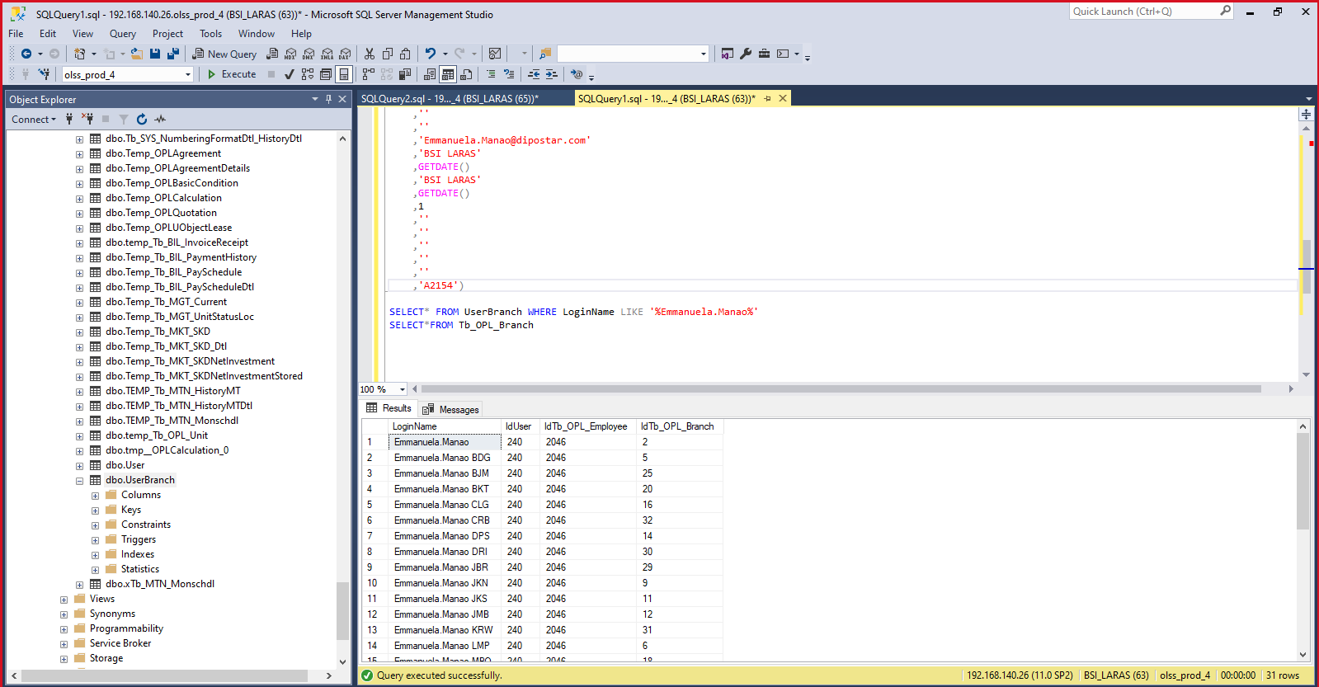
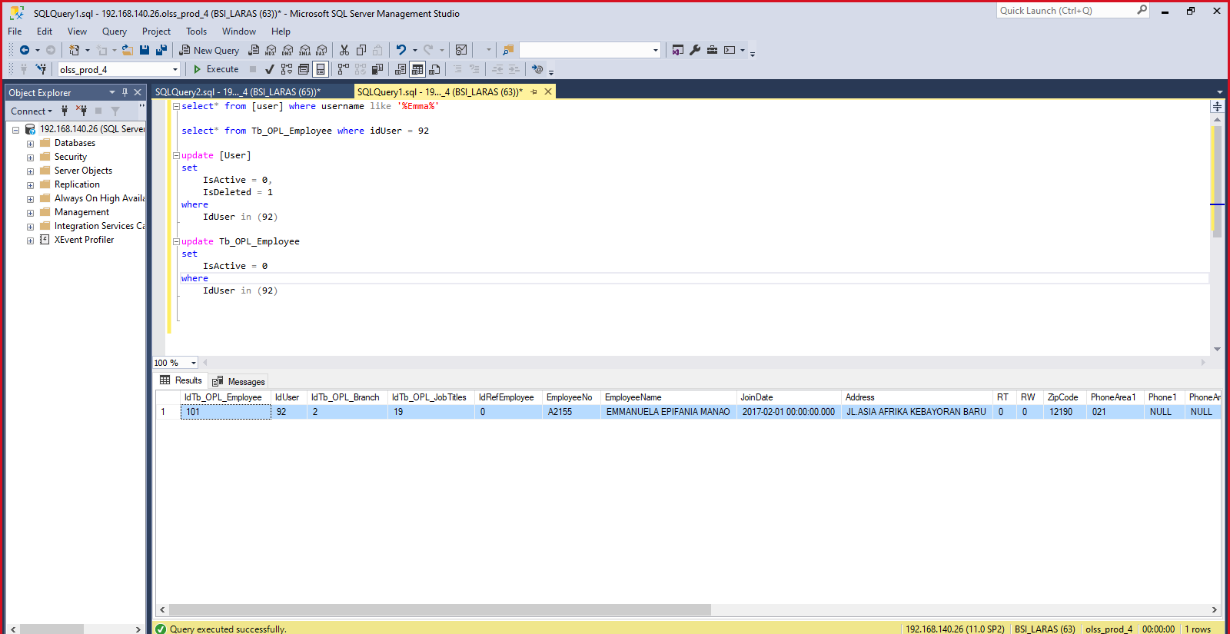
update [User]
set
 | IsActive = 0,
 | IsDeleted = 1
where
 | IdUser in (92)

update Tb_OPL_Employee
set
 | IsActive = 0
where
 | IdUser in (92)

insert into [user] values (240,4,'Emmanuela.Manao',NULL,'ADMIN COLLECTION',GETDATE(),'BSI LARAS',GETDATE(),'BSI LARAS',NULL,0,0,1,0)

INSERT INTO Tb_OPL_Employee
VALUES
(240
,1
,3
,0
,'A2154'
,'EMMANUELA EPIFANIA MANAO'
,GETDATE()
,''
,''
,''
,''
,''
,''
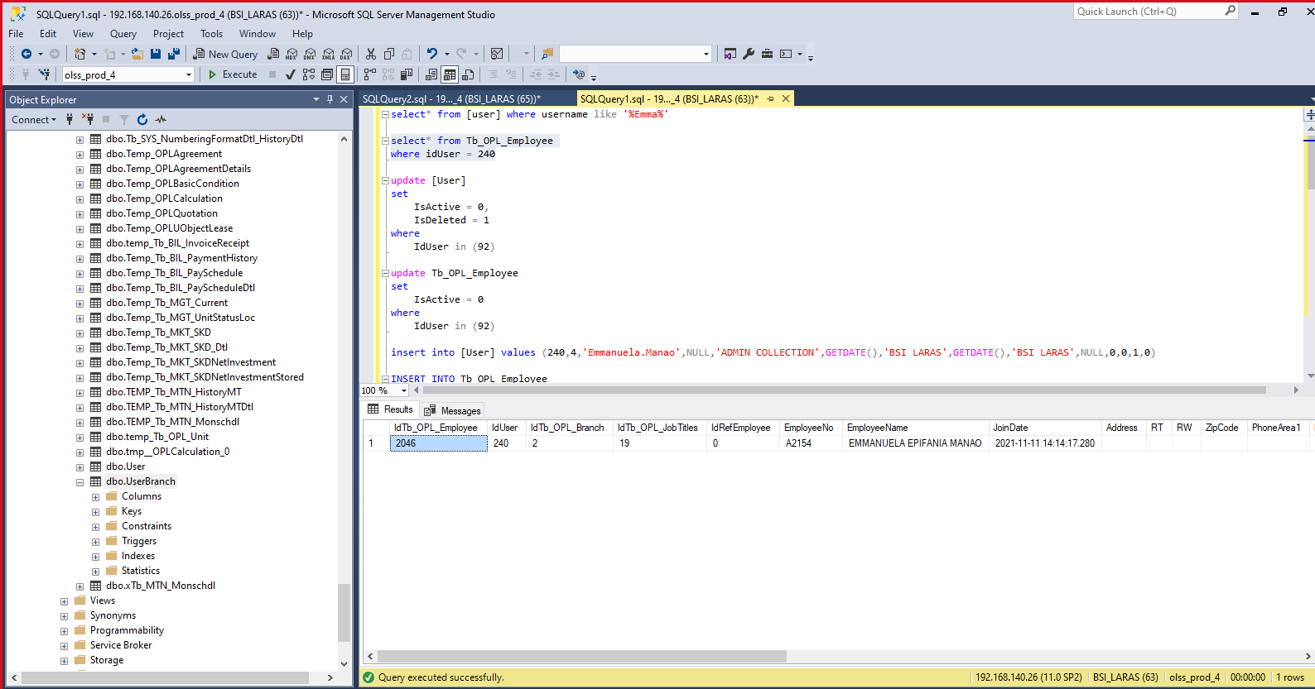
,''
,''
,''
,''
,''
,''
,'Emmanuela.Manao@dipostar.com'
,'BSI LARAS'
,GETDATE()
,'BSI LARAS'
,GETDATE()
,1
,''
,''
,''
,''
,''
,'A2154')

insert UserBranch

